Sheet2
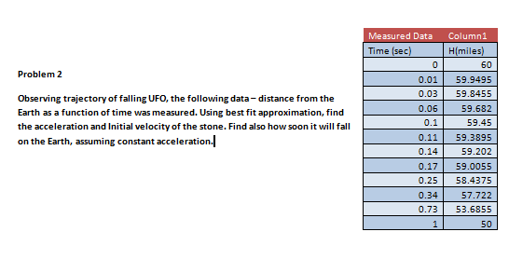
Input Data

 |  | Measured Data | Column1 | Best Fit Data | Column1
 |  | Time (s) | Altitude (mi) | Time(sec) | H(miles)
 |  | 0.00 | 60.0000 | 0 | 60
 |  | 0.01 | 59.9495 | 1 | 50
 |  | 0.03 | 59.8455 | 2 | 30
 |  | 0.06 | 59.6820 | 3 | 0
 |  | 0.10 | 59.4500 | 4 | -40
 |  | 0.11 | 59.3895 | 5 | -90
 |  | 0.14 | 59.2020
 |  | 0.17 | 59.0055
 |  | 0.25 | 58.4375
 |  | 0.34 | 57.7220
 |  | 0.73 | 53.6855
 |  | 1.00 | 50.0000

Height of the UFO H=H(time) (Measured Data)
0 | 60
0.01 | 59.9495
0.03 | 59.8455
0.06 | 59.682
0.1 | 59.45
0.11 | 59.3895
0.14 | 59.202
0.17 | 59.0055
0.25 | 58.4375
0.34 | 57.722
0.73 | 53.6855
1 | 50
Height of the UFO H=H(t) (Approximated Data)
0 | 60
1 | 50
2 | 30
3 | 0
4 | -40
5 | -90

Based on the Equation of a Trend Line, a=10 | 10miles/sec^2; V0=5miles/sec. Anticipated time of falling on the Earth - 3 sec

